Dimension Tables
dim_user | dim_user_profile_hstry | dim_user_link_profile_hstry | dim_restaurants | dim_rider

sk_user_id auto increment primary key | sk_user_profile_id increment primary key | sk_user_link_profile_hstry primary key | sk_restaurant_id auto increment primary key | rider int auto_increment primary key

nt_user_id | user_credit_history | degen_user_id | degen_rstr_id | degen_rider_id
user_first_name | app_version | sk_user_profile_id | degen_product_id | rider_name
user_last_name | profile_hash MD5(user_credit_history, app_version) | row_start_tmstmp | ntrl_restaurant_name | rider_performance_status
ntrl_email_id |  | row_end_tmstmp | ntrl_product_name
ntrl_phone_number | Since Dim_user_profile_history doesn’t have user_id, it has finite size | is_current | product_rating | row_start_tmstmp
address_line_item_1 |  |  | product_types | row_end_stmp
address_line_item_2 |  |  | restaurant_address | iscurrent
address_line_item_3 |  | The User link profile history table is not linked to fact tables | restaurant_phone_number
address_line_item_4 |  |  | restaurant_email_id
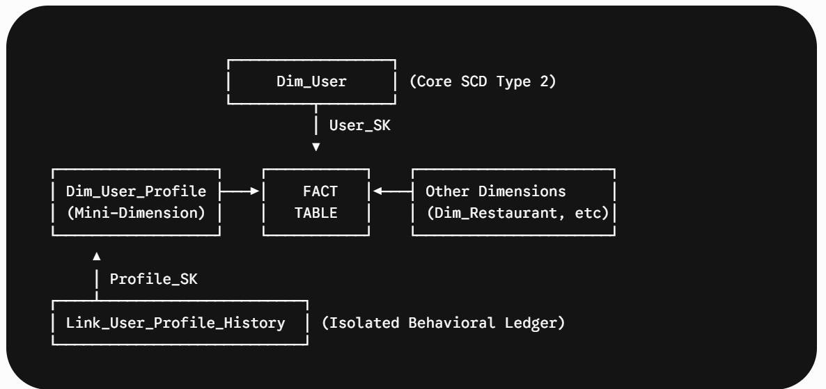
row_start_tmstmp
row_end_stmp |  |  | row_start_tmstmp
is_current |  |  | row_end_stmp
user_tier |  |  | iscurrent

Facts
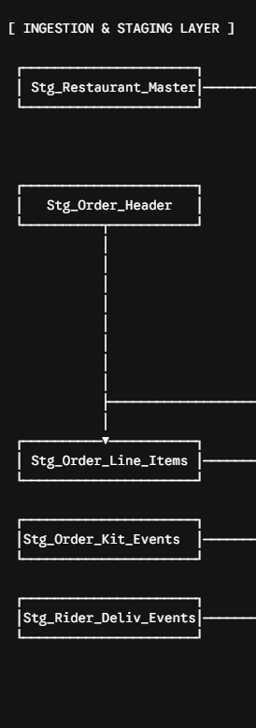
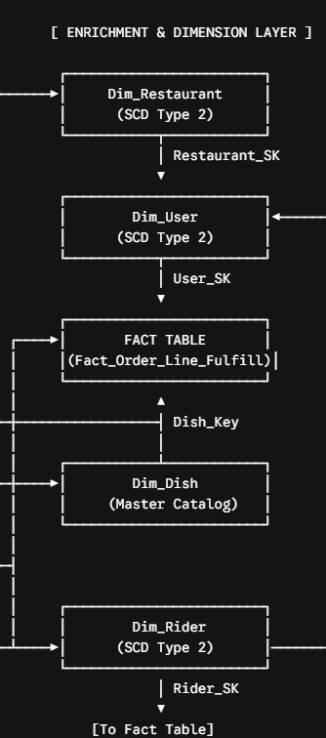
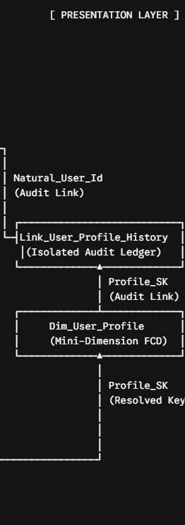

fact_order_lifecycle

sk_order_id int auto_increment primary key

degen_order_id
product_id
sk_user_id
sk_user_profile_id
degen_restaurant_id
degen_rider_id
degen_promotion_id

gross_amount
count
net_amount
tax
shipping
disount

order_placed_tmstmp
order_received_tmstmp
order_accepted_tmstmp
order_accepted_rider_tmstmp
order_delivered_tmstmp
Final_order_status

FOREIGN KEY (sk_user_profile_id) REFERENCES Dim_User_Profile(sk_user_profile_id)
FOREIGN KEY (degen_restaurant_id) REFERENCES Dim_Restaurant(degen_restaurant_id)

